Deffect №1
Bug ID | ID Number | BR001
 | Name | Duplication city names
 | Reporter | Artsiom Yahorau
 | Date | 2022-08-08
Bug Overview | Summary | Duplicate city names in the city list
 | Application | mobileAssignment
Environment | Application version | 1.0.0
 | Android version | 10 and above
Bug details | Steps to reproduce | 1. Enter the app 2. Scroll down to the Aach, DE
 | Expected result | There is no duplication of the name of the city
 | Actual result | Many city names are duplicated
 | Additional Description
Bug tracking | Status | New
 | Priority | Middle
 | Severity | Low
Notes | Attachment | 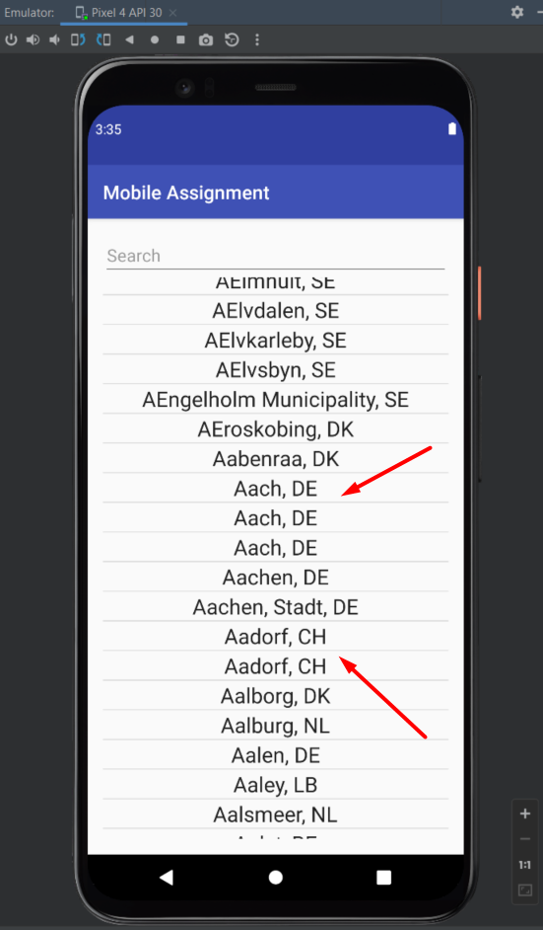
 | Assigned to | Developer
 | Sprint link | A 001
 | Bug type | Funtional

Deffect №2
ID Number | BR002
Name | Incorrect search
Reporter | Artsiom Yahorau
Date | 2022-08-08
Summary | Incorrect search. Country search is possible.
Application | mobileAssignment
Application version | 1.0.0
Android version | 10 and above
Steps to reproduce | 1. Enter the app 2. Enter "United" in the search field
Expected result | Inability to search by countries
Actual result | Ability to search by countries
Additional Description
Status | New
Priority | Middle
Severity | middle
Attachment | 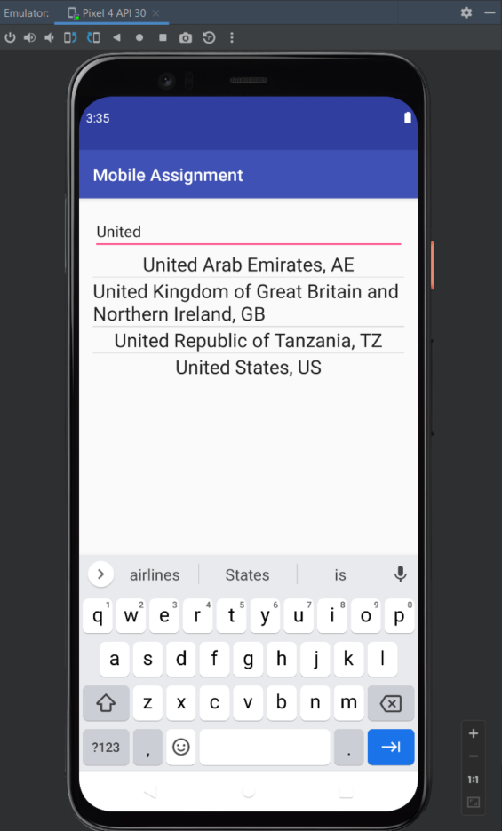
Assigned to | Developer
Sprint link | A 001
Bug type | Funtional

Deffect №3
ID Number | BR003
Name | Incorrect search for a city by its full name with special characters
Reporter | Artsiom Yahorau
Date | 2022-08-08
Summary | If you enter ',' the resulting list becomes empty
Project | MobileAssignment
Application version | 1.0.0
Android version | 10 and above
Steps to reproduce | 1. Enter the app 2. Enter 't Hofke, NL' in the search field
Expected result | The resulting list contains data
Actual result | The resulting list is empty
Additional Description
Status | New
Priority | Middle
Severity | Low
Attachment | 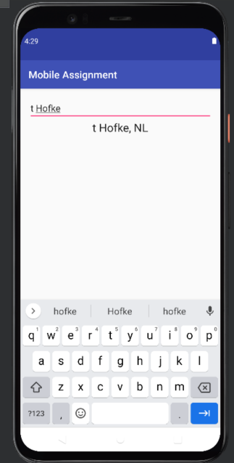 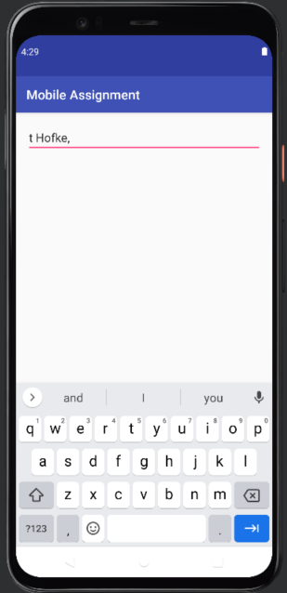
Assigned to | Developer
Sprint link | A 001
Bug type | Funtional

Deffect №4
ID Number | BR004
Name | The screen does not adapt when you rotate
Reporter | Artsiom Yahorau
Date | 2022-08-08
Summary | The screen does not adapt when you rotate
Project | MobileAssignment
Application version | 1.0.0
Android version | 10 and above
Steps to reproduce | 1. Enter the app 2. Turn the screen upside down
Expected result | The screen adapts
Actual result | The screen does not adapt when you rotate
Additional Description
Status | New
Priority | High
Severity | High
Attachment | 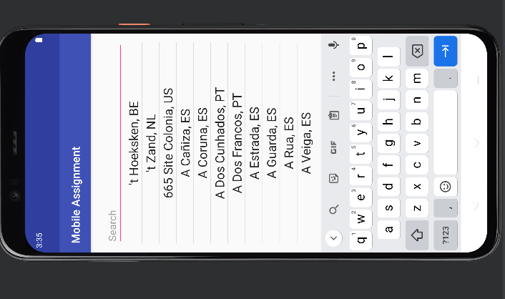
Assigned to | Developer
Sprint link | A 001
Bug type | Funtional

